July Sales Dashboard
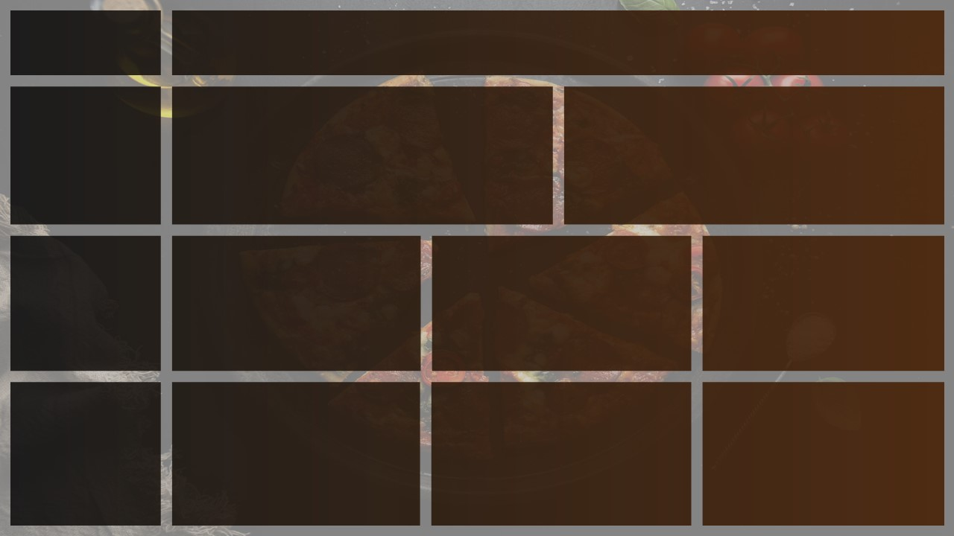
Dasbboard
July Sales
Total Revenue
Avg Order Value
Total Quantity Sold
Total Transactions
Avg Item Per Transaction

₹26,91,057
₹1,086
6995
2478
2.82
 | Total
01-07-2026 | 89
02-07-2026 | 79
03-07-2026 | 75
04-07-2026 | 83
05-07-2026 | 74
06-07-2026 | 68
07-07-2026 | 92
08-07-2026 | 86
09-07-2026 | 83
10-07-2026 | 81
11-07-2026 | 75
12-07-2026 | 75
13-07-2026 | 86
14-07-2026 | 69
15-07-2026 | 82
16-07-2026 | 79
17-07-2026 | 79
18-07-2026 | 81
19-07-2026 | 63
20-07-2026 | 70
21-07-2026 | 95
22-07-2026 | 78
23-07-2026 | 93
24-07-2026 | 72
25-07-2026 | 95
26-07-2026 | 81
27-07-2026 | 89
28-07-2026 | 77
29-07-2026 | 78
30-07-2026 | 74
31-07-2026 | 89

Busiest days and TImes
Hourly Trend For Total Orders
 | Total
09 | 195
10 | 185
11 | 204
12 | 181
13 | 187
14 | 197
15 | 196
16 | 194
17 | 190
18 | 171
19 | 213
20 | 197
21 | 180
DAYS
Orders are highest on Weekends.
TIMES
There are Maximum Orders from after 7-8 pm

Daily Trend For Total Orders

Sales By Category & Payment
% of Sales by Product Category
% of Sales by Payment Mode
Total Quantity Sold by Product Category
 | Total
Accessories | 4.32%
Baby Care | 6.63%
Baby Clothing | 13.86%
Bags | 17.69%
Diapers | 16.40%
Feeding | 6.37%
Footwear | 17.13%
Toys | 17.61%
 | Total
Cash | 1709
Debit Card | 1736
Online | 1842
Swipe Machine | 1708
Category:
Toys Category Contributes to Maximum Sales & total Orders..
Payment Mode:
Online payment had Maximum Sales.

Best & Worst Sellers
Top 5 Best Sellers by Quantity Sold
Bottom 5 Worst Sellers by Quantity Sold
 | Total
Baby Socks | 211
Rattle | 212
Baby Bag | 220
Kids Sneakers | 228
Baby T-Shirt | 234
Baby Sandals | 234
BEST
Bib & Lunch Box are the best Sellers and Revenue Generators.
Worst:
The Baby Socks is at the Bottom in both order & Revenue
 | Total
Lunch Bag | 321
Baby Frock | 322
Baby Cap | 329
Baby Romper | 343
Bib | 348

Trends
Daily Trend for Total Orders |  | Hourly Trend for Total Orders
Row Labels | Count of Transcation_ID | Row Labels | Count of Transcation_ID
2026-07-01 | 89 | 09 | 195
2026-07-02 | 79 | 10 | 185
2026-07-03 | 75 | 11 | 204
2026-07-04 | 83 | 12 | 181
2026-07-05 | 74 | 13 | 187
2026-07-06 | 68 | 14 | 197
2026-07-07 | 92 | 15 | 196
2026-07-08 | 86 | 16 | 194
2026-07-09 | 83 | 17 | 190
2026-07-10 | 81 | 18 | 171
2026-07-11 | 75 | 19 | 213
2026-07-12 | 75 | 20 | 197
2026-07-13 | 86 | 21 | 180
2026-07-14 | 69 | Grand Total | 2490
2026-07-15 | 82
2026-07-16 | 79
2026-07-17 | 79
2026-07-18 | 81
2026-07-19 | 63
2026-07-20 | 70
2026-07-21 | 95
2026-07-22 | 78
2026-07-23 | 93
2026-07-24 | 72
2026-07-25 | 95
2026-07-26 | 81
2026-07-27 | 89
2026-07-28 | 77
2026-07-29 | 78
2026-07-30 | 74
2026-07-31 | 89
Grand Total | 2490

Percentage
% of Sales by Category
Row Labels | Sum of Net_Sales
Accessories | 4.32%
Baby Care | 6.63%
Baby Clothing | 13.86%
Bags | 17.69%
Diapers | 16.40%
Feeding | 6.37%
Footwear | 17.13%
Toys | 17.61%
Grand Total | 100.00%

% of sales by payment
Row Labels | Sum of Quantity
Cash | 1709
Debit Card | 1736
Online | 1842
Swipe Machine | 1708
Grand Total | 6995

Total Quantity Sold by Product Category
Row Labels | Sum of Quantity | Categories | Total_Product_Sold
Toys | 1271 | Toys | 1271
Baby Clothing | 892 | Baby Clothing | 892
Accessories | 886 | Accessories | 886
Feeding | 840 | Feeding | 840
Bags | 820 | Bags | 820
Diapers | 784 | Diapers | 784
Baby Care | 761 | Baby Care | 761
Footwear | 741 | Footwear | 741
Grand Total | 6995

Best & Worst Sellers
Top Sellers
Row Labels | Sum of Quantity
Lunch Bag | 321
Baby Frock | 322
Baby Cap | 329
Baby Romper | 343
Bib | 348
Grand Total | 1663

Worst Sellers
Row Labels | Sum of Quantity
Baby Socks | 211
Rattle | 212
Baby Bag | 220
Kids Sneakers | 228
Baby T-Shirt | 234
Baby Sandals | 234
Grand Total | 1339

